Sheet1
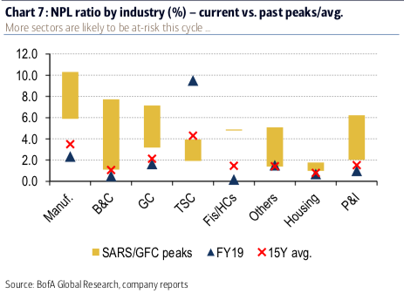
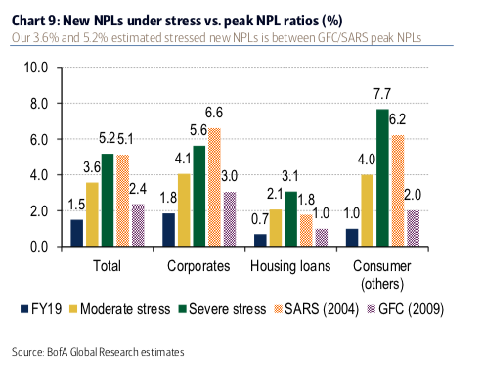
Source: World Bank
Country Name | Country Code | Indicator Name | Indicator Code | 2008 | 2009 | 2010 | 2011 | 2012 | 2013 | 2014 | 2015 | 2016 | 2017 | 2018 | 2019
Singapore | SGP | Bank nonperforming loans to total gross loans (%) | FB.AST.NPER.ZS | 1.4254996554 | 2.0343843417 | 1.4063542576 | 1.0604556085 | 1.0426280891 | 0.86694160634 | 0.75653286227 | 0.92406290512 | 1.2225330718 | 1.4002009266 | 1.3095178516 | 1.3064222334
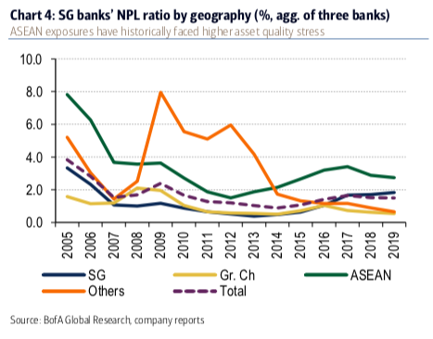
Singapore's NPL (%)

